Potential seedling selection
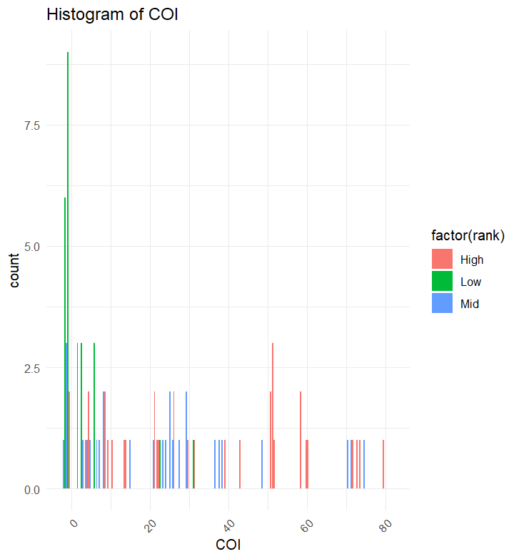
Classification | NSWID | seedling_count | mean_COI | sd_COI |  | Low | 3 | Collins notes: | Batch ID/Family ID | seed weight (g) | % seed ~ | mature y/n | Notes | Test Punnet | seed emergence |  | grams remaining
High | NSW1079717 | 3 | 36.66666667 | 30.5505046 |  | Mid | 4 |  | NSW-1079717 | 1.207 | 20 | y | 0 | 0 | 0 | 0 | 0.2414 | "High" | "NSW1079717"
High | NSW1079714 | 6 | 42 | 22.627417 |  | High | 5 |  | NSW-1079714 | 1.073 | 20 | y | 0 | 0 | 0 | 0 | 0.2146 | "High" | "NSW1079714"
High | NSW1079701 | 10 | 34.4 | 18.0259 |  |  |  |  | NSW-1079701 | 1.107 | 10 | y | 0 | 0 | 0 | 0 | 0.1107 | "High" | "NSW1079701"
High | NSW1079677 | 10 | 26.75 | 22.7928473 |  |  |  |  | NSW-1079677 | 2.358 | 15 | y | 0 | 0 | 0 | 0 | 0.3537 | "High" | "NSW1079677"
High | NSW1078656 | 6 | 34.66666667 | 35.8589831 |  |  |  |  | NSW-1078656 | 0.921 | 10 | y | similar colours between seed/frass | 0 | 0 | 0 | 0.0921 | "High" | "NSW1078656"
Mid | NSW1078647 | 9 | 25.11111111 | 30.0226766 |  |  |  |  | NSW-1078647 | 2.312 | 5 | y | might be more than 5, hard to tell with this batch. | 0 | 0 | 0 | 0.1156 | "Mid" | "NSW1078647"
Mid | NSW1075704 | 6 | 22 | 17.4699742 | dead |  |  |  | NSW-1075704 | 2.715 | 10 | y | 0 | 0 | 0 | 0 | 0.2715 | "Mid" | "NSW1075704"
Mid | NSW1079670 | 10 | 26.6 | 18.7761669 | dead |  |  |  | NSW-1079670 | 0.271 | 50 | y | 0 | 0 | 0 | 0 | 0.1355 | "Mid" | "NSW1079670"
Mid | NSW1079692 | 3 | 22.66666667 | 18.6100331 |  |  |  |  | NSW-1079692 | 0.76 | 20 | y | 0 | 0 | 0 | 0 | 0.152 | "Mid" | "NSW1079692"
Low | NSW1078653 | 9 | 0.1111 | 0.3333 |  |  |  |  | NSW-1078653 | 2.253 | 15 | y | 0 | 0 | 0 | 0 | 0.33795 | "Low" | "NSW1078653"
Low | NSW1079715 | 8 | 8.28125 | 10.7864312 |  |  |  |  | NSW-1079715 | 1.429 | 15 | y | seeds are shinier than the frass here. Similar colour though. | 0 | 0 | 0 | 0.21435 | "Low" | "NSW1079715"
Low | NSW1078641 | 9 | 1.5556 | 2.4552 |  |  |  |  | NSW-1078641 | 1.024 | 15 | y | 0 | 0 | 0 | 0 | 0.1536 | "Low" | "NSW1078641"
 |  |  |  |  |  |  |  |  |  |  |  |  |  |  |  |  |  | c("High", "High", "High", "High", "High", "Mid", "Mid", "Mid", "Mid", "Low", "Low", "Low") | c("NSW1079717", "NSW1079714", "NSW1079701", "NSW1079677", "NSW1078656", "NSW1078647", "NSW1075704", "NSW1079670", "NSW1079692", "NSW1078653", "NSW1079715", "NSW1078641")
Back up
 | NSW1079809 | 6 | 26.83333 | 23.46416 |  |  |  |  | NSW-1079809 | 0.641 | 30 | y | 0 | 0 | 0 | 0 | 0.1923
 | NSW1079818 | 6 | 24.16666667 | 20.3510851 |  |  |  |  | NSW-1079818 | 1.953 | 10 | y | 0 | 0 | 0 | 0 | 0.1953
 | NSW1080771 | 4 | 23.375 | 25.3225032 |  |  |  |  | NSW-1080771 | 1.588 | 30 | y | 0 | 0 | 0 | 0 | 0.4764
 | NSW1079702 | 3 | 23.33333333 | 17.5594229 |  |  |  |  | NSW-1079702 | 0.429 | 30 | y | 0 | 0 | 0 | 0 | 0.1287
 | NSW1079739 | 6 | 22.16666667 | 21.0277594 |  |  |  |  | NSW-1079739 | 2.237 | 10 | y | 0 | 0 | 0 | 0 | 0.2237
 | NSW1079740 | 7 | 22.14285714 | 25.9642612 |  |  |  |  | NSW-1079740 | 0.851 | 15 | y | 0 | 0 | 0 | 0 | 0.12765
 | NSW1079756 | 6 | 16.83333333 | 19.8031984 |  |  |  |  | NSW-1079756 | 1.905 | 25 | y | 0 | 0 | 0 | 0 | 0.47625
 | NSW1079654 | 9 | 16.33333333 | 13.190906 |  |  |  |  | NSW-1079654 | 1.501 | 10 | y | 0 | 0 | 0 | 0 | 0.1501

